Photosynthetic Rate Reduct Plot
 | Unpecified Cultivar (Treated with microrhizal fungi) |  | Apache |  | Riverside |  | SVA1 |  | SVA2
0 | 7 | 0.8 | 5.2 | 0.8 | 5.3 | 0.8 | 5.2 | 0.8 | 4.3
20 | 6 | 25 | 3.7 | 25 | 4.3 | 25 | 4.7 | 25 | 4
25 | 5.1 | 30 | 2.6 | 30 | 3.7 | 30 | 3.9 | 30 | 2.7
30 | 4.8 | 35 | 1.8 | 35 | 3.7 | 35 | 2.9 | 35 | 2.6
35 | 4

Photosynthetic Pct Reduct
 | Unpecified Cultivar (Treated with microrhizal fungi) |  | Apache |  | Riverside |  | SVA1 |  | SVA2 |  | Average From Campos-Villareal
0 | 0.000 | 0.8 | 0.000 | 0.8 | 0.000 | 0.8 | 0.000 | 0.8 | 0.000 | 0.8 | 0.000
20 | 0.143 | 25 | 0.288 | 25 | 0.189 | 25 | 0.096 | 25 | 0.070 | 25 | 0.237
25 | 0.271 | 30 | 0.500 | 30 | 0.302 | 30 | 0.250 | 30 | 0.372 | 30 | 0.469
30 | 0.314 | 35 | 0.654 | 35 | 0.302 | 35 | 0.442 | 35 | 0.395 | 35 | 0.631
35 | 0.429

Stomatal Conductance Reduc Plot
 | Unpecified Cultivar (Treated with microrhizal fungi) |  | Apache |  | Riverside |  | SVA1 |  | SVA2
0 | 0.08 | 0.8 | 0.0212 | 0.8 | 0.0333 | 0.8 | 0.0179 | 0.8 | 0.0336
20 | 0.08 | 25 | 0.0285 | 25 | 0.0149 | 25 | 0.0141 | 25 | 0.0275
25 | 0.07 | 30 | 0.0181 | 30 | 0.0083 | 30 | 0.0097 | 30 | 0.0161
30 | 0.05 | 35 | 0.0099 | 35 | 0.0072 | 35 | 0.0063 | 35 | 0.0148
35 | 0.05

Dry Weight
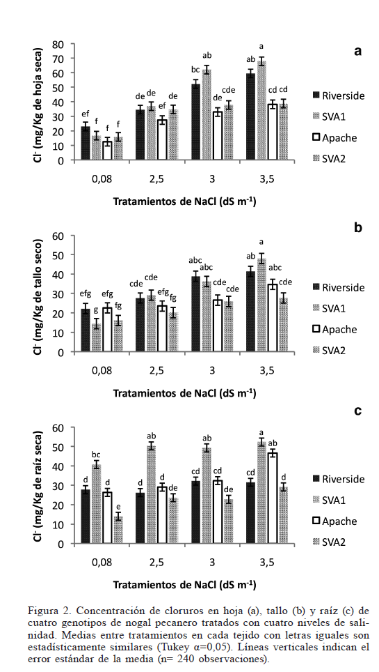
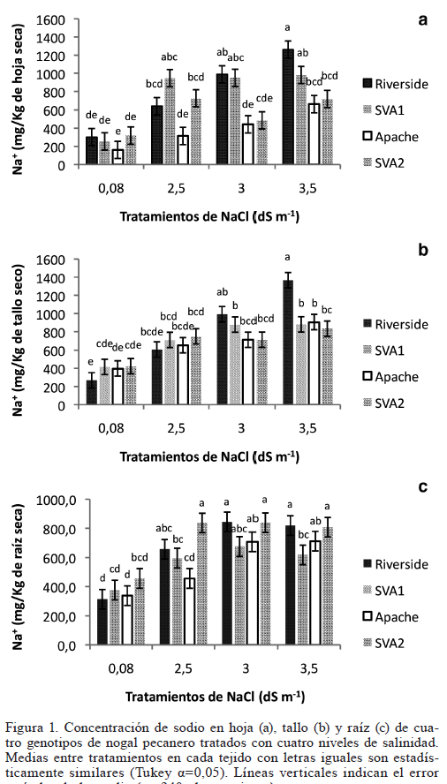
 | Leaf Dry Weight per Area taken From:
 | Biological and Practical Importanceof Light Microenvironments in aTree: Participatory Research to Match Teaching and Learning Styles
 | G. A. Picchioni, S. A. Weinbaum,D. L. Daniel, and H. Karaca
 | 2000

 |  | Specific Leaf Weight (mg/cm2) | Leaf Area in Model - From Average Lab measurement(cm2) | Leaf Weight (kg) | Storage Volume Leaf (model) per Leaf Area (m) | Storage Volume Leaf (model) (m3)
 | Inner Canopy | 5.9
 | Outer Canopy | 9.2
 | Average | 7.6 | 80 | 0.000604 | 0.0000504 | 4.032E-07

 | Leaf Mass Concentrations from Campos-Villareal et. al, 2017

 | Soil NaCl Concentration (mM) | NaCl in Leaf (mg/kg) | NaCl in Leaf (Model Target) (mg) | NaCl in Leaf (Model Target) (mol) | Leaf Concentration NaCl after 48 days (mM)
Max | 0.8 | 420 | 0.25368 | 4.3438356164E-06 | 11
Min | 0.8 | 180 | 0.10872 | 1.8616438356E-06 | 5
Max | 25 | 950 | 0.5738 | 9.8253424658E-06 | 24
Min | 25 | 370 | 0.22348 | 3.8267123288E-06 | 9
Max | 30 | 1060 | 0.64024 | 1.0963013699E-05 | 27
Min | 30 | 490 | 0.29596 | 5.0678082192E-06 | 13
Max | 35 | 1350 | 0.8154 | 1.3962328767E-05 | 35
Min | 35 | 750 | 0.453 | 7.7568493151E-06 | 19

Campos-Villareal Ion Accum
Digitized from Campos-Villarreal et al. 2017 Figures 1 (Na+) and 2 (Cl-) with data/literature_data/salt_accumulation_analysis/digitize_campos_villarreal.py
Means over n=240 observations; error bars are SE of the mean.
cultivar | salinity_dS_m | compartment | ion | value | se | units | error_type | figure | panel | page | method
Apache | 0.08 | leaf | Na+ | 163.99 | 90.04 | mg/kg dry weight | SE (n=240 obs) | 1 | a | 5 | raster pixel extraction
Apache | 2.5 | leaf | Na+ | 317.24 | 90.04 | mg/kg dry weight | SE (n=240 obs) | 1 | a | 5 | raster pixel extraction
Apache | 3 | leaf | Na+ | 443.68 | 91.95 | mg/kg dry weight | SE (n=240 obs) | 1 | a | 5 | raster pixel extraction
Apache | 3.5 | leaf | Na+ | 665.9 | 90.04 | mg/kg dry weight | SE (n=240 obs) | 1 | a | 5 | raster pixel extraction
Apache | 0.08 | stem | Na+ | 397.23 | 84.34 | mg/kg dry weight | SE (n=240 obs) | 1 | b | 5 | raster pixel extraction
Apache | 2.5 | stem | Na+ | 654.1 | 82.43 | mg/kg dry weight | SE (n=240 obs) | 1 | b | 5 | raster pixel extraction
Apache | 3 | stem | Na+ | 715.44 | 82.43 | mg/kg dry weight | SE (n=240 obs) | 1 | b | 5 | raster pixel extraction
Apache | 3.5 | stem | Na+ | 907.13 | 84.34 | mg/kg dry weight | SE (n=240 obs) | 1 | b | 5 | raster pixel extraction
Apache | 0.08 | root | Na+ | 338.24 | 65.9 | mg/kg dry weight | SE (n=240 obs) | 1 | c | 5 | raster pixel extraction
Apache | 2.5 | root | Na+ | 455.67 | 67.1 | mg/kg dry weight | SE (n=240 obs) | 1 | c | 5 | raster pixel extraction
Apache | 3 | root | Na+ | 707.29 | 65.9 | mg/kg dry weight | SE (n=240 obs) | 1 | c | 5 | raster pixel extraction
Apache | 3.5 | root | Na+ | 712.08 | 67.1 | mg/kg dry weight | SE (n=240 obs) | 1 | c | 5 | raster pixel extraction
Apache | 0.08 | leaf | Cl- | 12.61 | 2.78 | mg/kg dry weight | SE (n=240 obs) | 2 | a | 6 | raster pixel extraction
Apache | 2.5 | leaf | Cl- | 27.55 | 2.78 | mg/kg dry weight | SE (n=240 obs) | 2 | a | 6 | raster pixel extraction
Apache | 3 | leaf | Cl- | 33.1 | 2.78 | mg/kg dry weight | SE (n=240 obs) | 2 | a | 6 | raster pixel extraction
Apache | 3.5 | leaf | Cl- | 38.28 | 2.87 | mg/kg dry weight | SE (n=240 obs) | 2 | a | 6 | raster pixel extraction
Apache | 0.08 | stem | Cl- | 22.66 | 2.59 | mg/kg dry weight | SE (n=240 obs) | 2 | b | 6 | raster pixel extraction
Apache | 2.5 | stem | Cl- | 23.67 | 2.52 | mg/kg dry weight | SE (n=240 obs) | 2 | b | 6 | raster pixel extraction
Apache | 3 | stem | Cl- | 26.68 | 2.52 | mg/kg dry weight | SE (n=240 obs) | 2 | b | 6 | raster pixel extraction
Apache | 3.5 | stem | Cl- | 34.73 | 2.66 | mg/kg dry weight | SE (n=240 obs) | 2 | b | 6 | raster pixel extraction
Apache | 0.08 | root | Cl- | 26.32 | 2.01 | mg/kg dry weight | SE (n=240 obs) | 2 | c | 6 | raster pixel extraction
Apache | 2.5 | root | Cl- | 29.06 | 2.01 | mg/kg dry weight | SE (n=240 obs) | 2 | c | 6 | raster pixel extraction
Apache | 3 | root | Cl- | 32.36 | 2.08 | mg/kg dry weight | SE (n=240 obs) | 2 | c | 6 | raster pixel extraction
Apache | 3.5 | root | Cl- | 46.59 | 2.08 | mg/kg dry weight | SE (n=240 obs) | 2 | c | 6 | raster pixel extraction
Riverside | 0.08 | leaf | Na+ | 298.09 | 97.7 | mg/kg dry weight | SE (n=240 obs) | 1 | a | 5 | raster pixel extraction
Riverside | 2.5 | leaf | Na+ | 639.08 | 95.79 | mg/kg dry weight | SE (n=240 obs) | 1 | a | 5 | raster pixel extraction
Riverside | 3 | leaf | Na+ | 987.74 | 95.79 | mg/kg dry weight | SE (n=240 obs) | 1 | a | 5 | raster pixel extraction
Riverside | 3.5 | leaf | Na+ | 1259.77 | 93.87 | mg/kg dry weight | SE (n=240 obs) | 1 | a | 5 | raster pixel extraction
Riverside | 0.08 | stem | Na+ | 259.21 | 93.93 | mg/kg dry weight | SE (n=240 obs) | 1 | b | 5 | raster pixel extraction
Riverside | 2.5 | stem | Na+ | 596.59 | 93.93 | mg/kg dry weight | SE (n=240 obs) | 1 | b | 5 | raster pixel extraction
Riverside | 3 | stem | Na+ | 987.65 | 90.1 | mg/kg dry weight | SE (n=240 obs) | 1 | b | 5 | raster pixel extraction
Riverside | 3.5 | stem | Na+ | 1359.53 | 92.01 | mg/kg dry weight | SE (n=240 obs) | 1 | b | 5 | raster pixel extraction
Riverside | 0.08 | root | Na+ | 309.48 | 70.69 | mg/kg dry weight | SE (n=240 obs) | 1 | c | 5 | raster pixel extraction
Riverside | 2.5 | root | Na+ | 652.17 | 70.69 | mg/kg dry weight | SE (n=240 obs) | 1 | c | 5 | raster pixel extraction
Riverside | 3 | root | Na+ | 839.1 | 71.89 | mg/kg dry weight | SE (n=240 obs) | 1 | c | 5 | raster pixel extraction
Riverside | 3.5 | root | Na+ | 815.13 | 70.69 | mg/kg dry weight | SE (n=240 obs) | 1 | c | 5 | raster pixel extraction
Riverside | 0.08 | leaf | Cl- | 22.57 | 3.35 | mg/kg dry weight | SE (n=240 obs) | 2 | a | 6 | raster pixel extraction
Riverside | 2.5 | leaf | Cl- | 34.06 | 3.35 | mg/kg dry weight | SE (n=240 obs) | 2 | a | 6 | raster pixel extraction
Riverside | 3 | leaf | Cl- | 51.69 | 3.54 | mg/kg dry weight | SE (n=240 obs) | 2 | a | 6 | raster pixel extraction
Riverside | 3.5 | leaf | Cl- | 58.97 | 3.35 | mg/kg dry weight | SE (n=240 obs) | 2 | a | 6 | raster pixel extraction
Riverside | 0.08 | stem | Cl- | 21.8 | 3.09 | mg/kg dry weight | SE (n=240 obs) | 2 | b | 6 | raster pixel extraction
Riverside | 2.5 | stem | Cl- | 27.26 | 3.09 | mg/kg dry weight | SE (n=240 obs) | 2 | b | 6 | raster pixel extraction
Riverside | 3 | stem | Cl- | 38.61 | 2.95 | mg/kg dry weight | SE (n=240 obs) | 2 | b | 6 | raster pixel extraction
Riverside | 3.5 | stem | Cl- | 41.2 | 2.87 | mg/kg dry weight | SE (n=240 obs) | 2 | b | 6 | raster pixel extraction
Riverside | 0.08 | root | Cl- | 27.47 | 2.23 | mg/kg dry weight | SE (n=240 obs) | 2 | c | 6 | raster pixel extraction
Riverside | 2.5 | root | Cl- | 25.89 | 2.37 | mg/kg dry weight | SE (n=240 obs) | 2 | c | 6 | raster pixel extraction
Riverside | 3 | root | Cl- | 31.93 | 2.23 | mg/kg dry weight | SE (n=240 obs) | 2 | c | 6 | raster pixel extraction
Riverside | 3.5 | root | Cl- | 31.21 | 2.37 | mg/kg dry weight | SE (n=240 obs) | 2 | c | 6 | raster pixel extraction
SVA1 | 0.08 | leaf | Na+ | 254.02 | 95.79 | mg/kg dry weight | SE (n=240 obs) | 1 | a | 5 | raster pixel extraction
SVA1 | 2.5 | leaf | Na+ | 947.51 | 95.79 | mg/kg dry weight | SE (n=240 obs) | 1 | a | 5 | raster pixel extraction
SVA1 | 3 | leaf | Na+ | 951.34 | 93.87 | mg/kg dry weight | SE (n=240 obs) | 1 | a | 5 | raster pixel extraction
SVA1 | 3.5 | leaf | Na+ | 981.99 | 95.79 | mg/kg dry weight | SE (n=240 obs) | 1 | a | 5 | raster pixel extraction
SVA1 | 0.08 | stem | Na+ | 414.48 | 84.34 | mg/kg dry weight | SE (n=240 obs) | 1 | b | 5 | raster pixel extraction
SVA1 | 2.5 | stem | Na+ | 709.69 | 86.26 | mg/kg dry weight | SE (n=240 obs) | 1 | b | 5 | raster pixel extraction
SVA1 | 3 | stem | Na+ | 878.38 | 86.26 | mg/kg dry weight | SE (n=240 obs) | 1 | b | 5 | raster pixel extraction
SVA1 | 3.5 | stem | Na+ | 882.21 | 84.34 | mg/kg dry weight | SE (n=240 obs) | 1 | b | 5 | raster pixel extraction
SVA1 | 0.08 | root | Na+ | 377.78 | 64.7 | mg/kg dry weight | SE (n=240 obs) | 1 | c | 5 | raster pixel extraction
SVA1 | 2.5 | root | Na+ | 595.86 | 67.1 | mg/kg dry weight | SE (n=240 obs) | 1 | c | 5 | raster pixel extraction
SVA1 | 3 | root | Na+ | 677.34 | 64.7 | mg/kg dry weight | SE (n=240 obs) | 1 | c | 5 | raster pixel extraction
SVA1 | 3.5 | root | Na+ | 619.82 | 64.7 | mg/kg dry weight | SE (n=240 obs) | 1 | c | 5 | raster pixel extraction
SVA1 | 0.08 | leaf | Cl- | 16.72 | 2.87 | mg/kg dry weight | SE (n=240 obs) | 2 | a | 6 | raster pixel extraction
SVA1 | 2.5 | leaf | Cl- | 37.03 | 2.87 | mg/kg dry weight | SE (n=240 obs) | 2 | a | 6 | raster pixel extraction
SVA1 | 3 | leaf | Cl- | 62.13 | 2.87 | mg/kg dry weight | SE (n=240 obs) | 2 | a | 6 | raster pixel extraction
SVA1 | 3.5 | leaf | Cl- | 67.87 | 2.87 | mg/kg dry weight | SE (n=240 obs) | 2 | a | 6 | raster pixel extraction
SVA1 | 0.08 | stem | Cl- | 14.39 | 2.73 | mg/kg dry weight | SE (n=240 obs) | 2 | b | 6 | raster pixel extraction
SVA1 | 2.5 | stem | Cl- | 29.2 | 2.59 | mg/kg dry weight | SE (n=240 obs) | 2 | b | 6 | raster pixel extraction
SVA1 | 3 | stem | Cl- | 36.24 | 2.66 | mg/kg dry weight | SE (n=240 obs) | 2 | b | 6 | raster pixel extraction
SVA1 | 3.5 | stem | Cl- | 48.17 | 2.52 | mg/kg dry weight | SE (n=240 obs) | 2 | b | 6 | raster pixel extraction
SVA1 | 0.08 | root | Cl- | 40.77 | 2.01 | mg/kg dry weight | SE (n=240 obs) | 2 | c | 6 | raster pixel extraction
SVA1 | 2.5 | root | Cl- | 50.4 | 1.94 | mg/kg dry weight | SE (n=240 obs) | 2 | c | 6 | raster pixel extraction
SVA1 | 3 | root | Cl- | 49.39 | 1.87 | mg/kg dry weight | SE (n=240 obs) | 2 | c | 6 | raster pixel extraction
SVA1 | 3.5 | root | Cl- | 52.41 | 1.87 | mg/kg dry weight | SE (n=240 obs) | 2 | c | 6 | raster pixel extraction
SVA2 | 0.08 | leaf | Na+ | 319.16 | 91.95 | mg/kg dry weight | SE (n=240 obs) | 1 | a | 5 | raster pixel extraction
SVA2 | 2.5 | leaf | Na+ | 725.29 | 95.79 | mg/kg dry weight | SE (n=240 obs) | 1 | a | 5 | raster pixel extraction
SVA2 | 3 | leaf | Na+ | 483.91 | 95.79 | mg/kg dry weight | SE (n=240 obs) | 1 | a | 5 | raster pixel extraction
SVA2 | 3.5 | leaf | Na+ | 717.62 | 95.79 | mg/kg dry weight | SE (n=240 obs) | 1 | a | 5 | raster pixel extraction
SVA2 | 0.08 | stem | Na+ | 422.15 | 84.34 | mg/kg dry weight | SE (n=240 obs) | 1 | b | 5 | raster pixel extraction
SVA2 | 2.5 | stem | Na+ | 748.03 | 86.26 | mg/kg dry weight | SE (n=240 obs) | 1 | b | 5 | raster pixel extraction
SVA2 | 3 | stem | Na+ | 713.53 | 84.34 | mg/kg dry weight | SE (n=240 obs) | 1 | b | 5 | raster pixel extraction
SVA2 | 3.5 | stem | Na+ | 836.21 | 82.43 | mg/kg dry weight | SE (n=240 obs) | 1 | b | 5 | raster pixel extraction
SVA2 | 0.08 | root | Na+ | 454.47 | 68.3 | mg/kg dry weight | SE (n=240 obs) | 1 | c | 5 | raster pixel extraction
SVA2 | 2.5 | root | Na+ | 837.9 | 65.9 | mg/kg dry weight | SE (n=240 obs) | 1 | c | 5 | raster pixel extraction
SVA2 | 3 | root | Na+ | 837.9 | 68.3 | mg/kg dry weight | SE (n=240 obs) | 1 | c | 5 | raster pixel extraction
SVA2 | 3.5 | root | Na+ | 809.14 | 64.7 | mg/kg dry weight | SE (n=240 obs) | 1 | c | 5 | raster pixel extraction
SVA2 | 0.08 | leaf | Cl- | 15.96 | 2.87 | mg/kg dry weight | SE (n=240 obs) | 2 | a | 6 | raster pixel extraction
SVA2 | 2.5 | leaf | Cl- | 34.73 | 2.87 | mg/kg dry weight | SE (n=240 obs) | 2 | a | 6 | raster pixel extraction
SVA2 | 3 | leaf | Cl- | 37.8 | 2.87 | mg/kg dry weight | SE (n=240 obs) | 2 | a | 6 | raster pixel extraction
SVA2 | 3.5 | leaf | Cl- | 38.75 | 2.97 | mg/kg dry weight | SE (n=240 obs) | 2 | a | 6 | raster pixel extraction
SVA2 | 0.08 | stem | Cl- | 16.12 | 2.59 | mg/kg dry weight | SE (n=240 obs) | 2 | b | 6 | raster pixel extraction
SVA2 | 2.5 | stem | Cl- | 20.14 | 2.66 | mg/kg dry weight | SE (n=240 obs) | 2 | b | 6 | raster pixel extraction
SVA2 | 3 | stem | Cl- | 25.89 | 2.66 | mg/kg dry weight | SE (n=240 obs) | 2 | b | 6 | raster pixel extraction
SVA2 | 3.5 | stem | Cl- | 27.76 | 2.59 | mg/kg dry weight | SE (n=240 obs) | 2 | b | 6 | raster pixel extraction
SVA2 | 0.08 | root | Cl- | 14.03 | 2.01 | mg/kg dry weight | SE (n=240 obs) | 2 | c | 6 | raster pixel extraction
SVA2 | 2.5 | root | Cl- | 23.67 | 1.94 | mg/kg dry weight | SE (n=240 obs) | 2 | c | 6 | raster pixel extraction
SVA2 | 3 | root | Cl- | 22.8 | 2.01 | mg/kg dry weight | SE (n=240 obs) | 2 | c | 6 | raster pixel extraction
SVA2 | 3.5 | root | Cl- | 29.13 | 2.01 | mg/kg dry weight | SE (n=240 obs) | 2 | c | 6 | raster pixel extraction

